mysqlerd
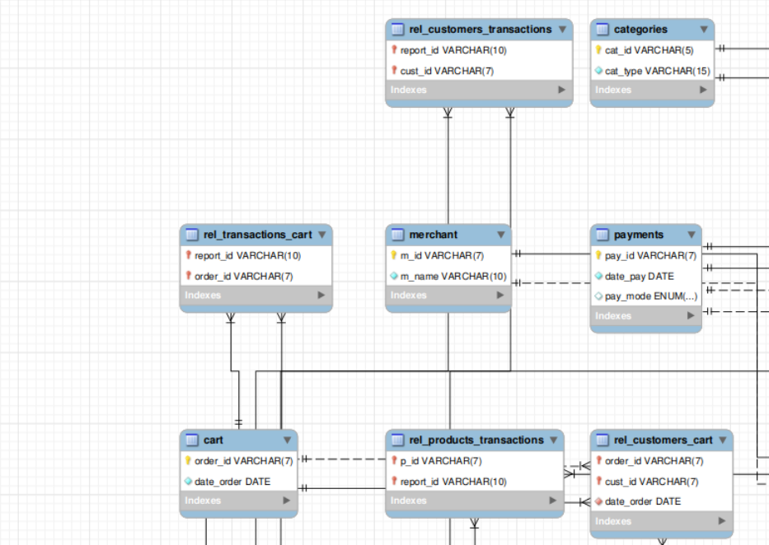
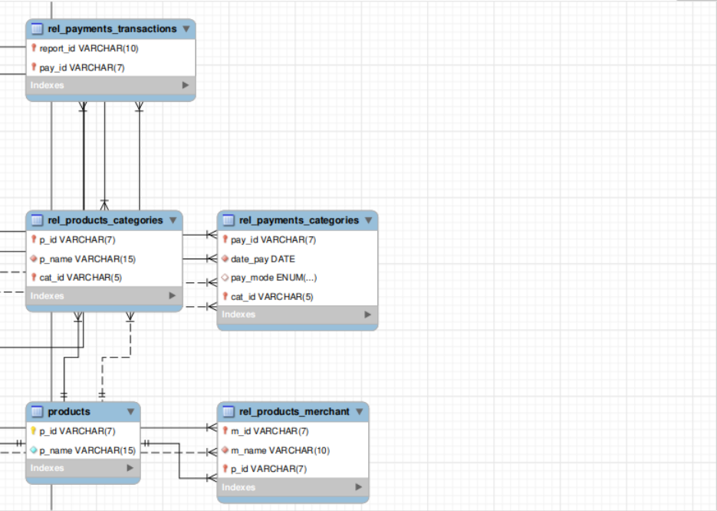
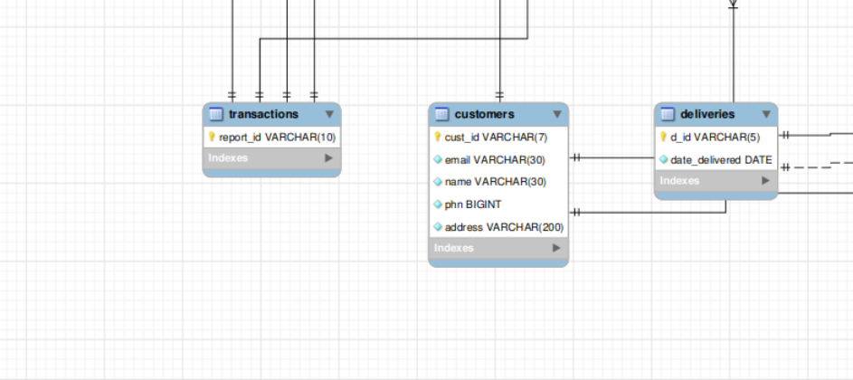
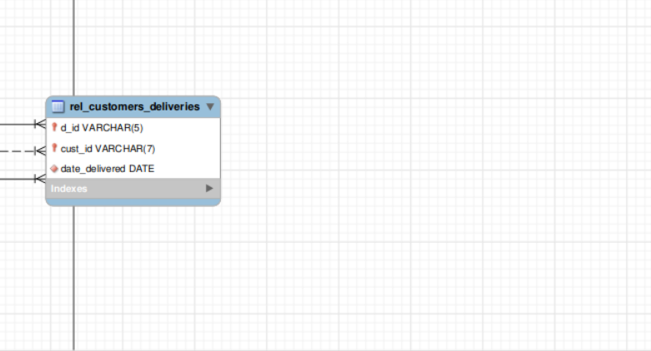

grant_auth
Roles
Role | Name | userid | password | authority | tables
dba | Gupta | Empire | gupta | create/drop/grant on all objects
merchant | Ekansh | Empire2 | ekansh | select,insert,delete,update | customers(select), transactions(select), merchant(update), products(all), rel_products_merchant(all), deliveries(select)
customer | Muskan | Empire3 | muskan | select, insert, delete, update | customers(all), cart(all), transactions(select), products(select), deliveries(select), payment(all), rel_customers_cart(all), rel_customers_transactions(select), rel_customers_deliveries(select)

User creation code
CREATE USER 'gupta'@'localhost' IDENTIFIED BY 'gupta' ;
CREATE USER 'ekansh'@'localhost' IDENTIFIED BY 'ekansh' ;
CREATE USER 'muskan'@'localhost' IDENTIFIED BY 'muskan' ;
+----------------------------+ | Tables_in_gupta_empire |
+----------------------------+ | cart | | categories | | customers | | deliveries | | merchant | | payments | | products | | rel_customers_cart | | rel_customers_deliveries | | rel_customers_transactions | | rel_payments_categories | | rel_payments_transactions | | rel_products_categories | | rel_products_merchant | | rel_products_transactions | | rel_transactions_cart | | transactions | +----------------------------+

-- dba
grant create,drop,select on *.* to 'gupta'@'localhost' with grant option ;
--merchant
grant select on gupta_empire.customers to 'ekansh'@'localhost';
grant select on gupta_empire.transactions to 'ekansh'@'localhost';
grant update on gupta_empire.merchant to 'ekansh'@'localhost';
grant select, insert, delete, update on gupta_empire.products to 'ekansh'@'localhost';
grant select, insert, delete, update on gupta_empire.rel_products_merchant to 'ekansh'@'localhost';
grant select on gupta_empire.deliveries to 'ekansh'@'localhost';
--customers
grant select, insert, delete, update on gupta_empire.customers to 'muskan'@'localhost';
grant select, insert, delete, update on gupta_empire.cart to 'muskan'@'localhost';
grant select, insert, delete, update on gupta_empire.payments to 'muskan'@'localhost';
grant select on gupta_empire.transactions to 'muskan'@'localhost';
grant select on gupta_empire.products to 'muskan'@'localhost';
grant select, insert, delete, update on gupta_empire.rel_customers_cart to 'muskan'@'localhost';
grant select on gupta_empire.rel_customers_transactions to 'muskan'@'localhost';
grant select on gupta_empire.rel_customers_deliveries to 'muskan'@'localhost';

